Simple Safety Risk Register
Risk Tracking Spreadsheet 1.1
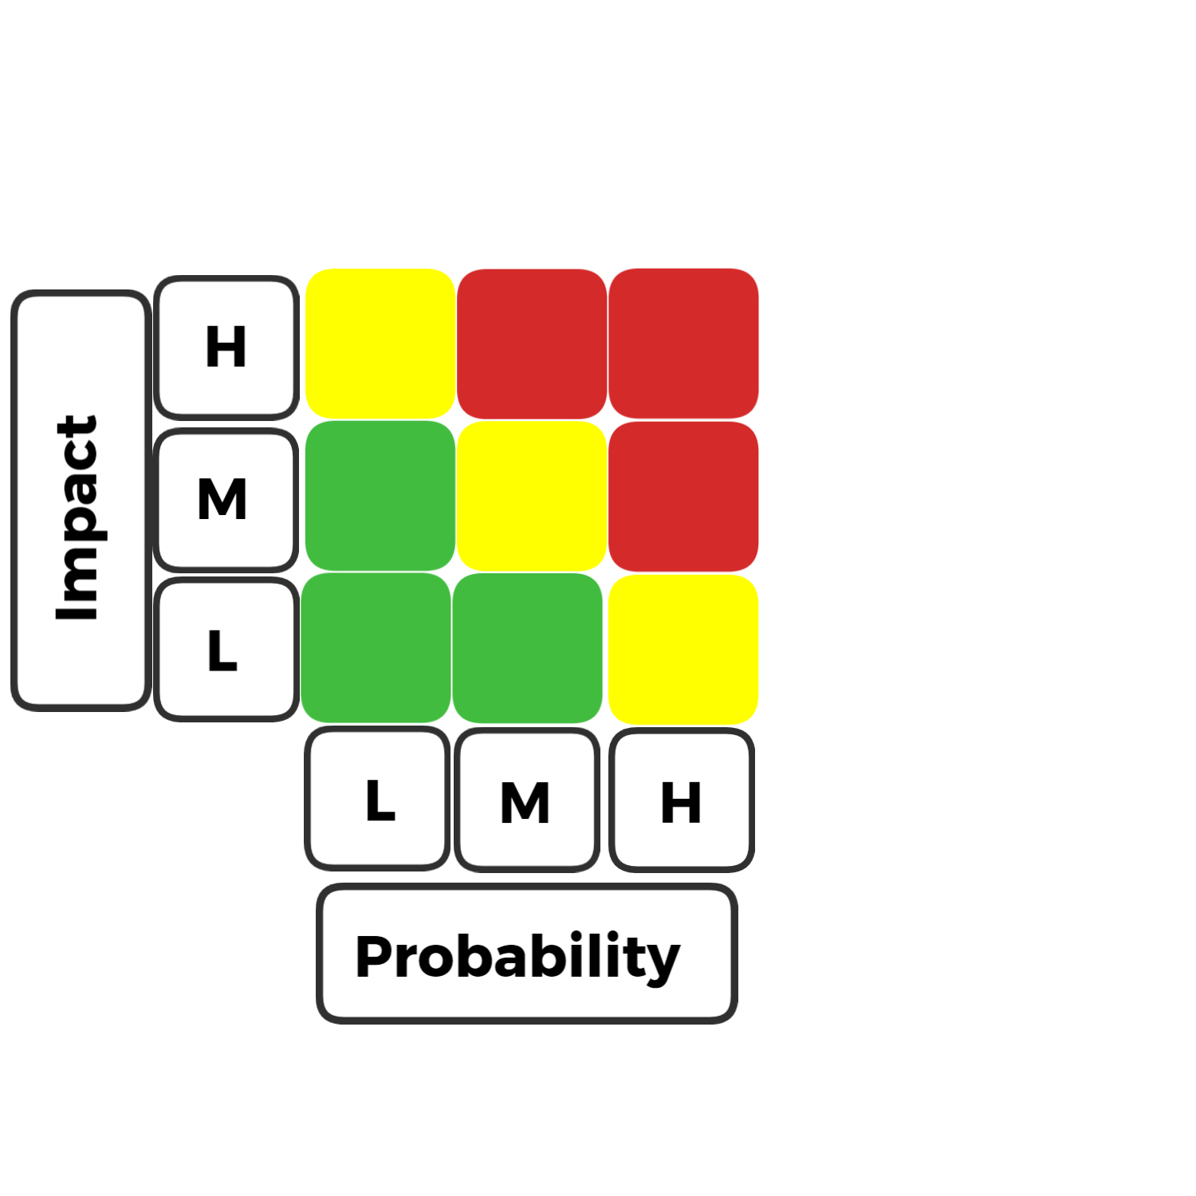
RISK DESCRIPTION | IMPACT DESCRIPTION | IMPACT LEVEL | PROBABILITY LEVEL | PRIORITY LEVEL | MITIGATION NOTES | OWNER | KEY
Brief Summary of the Risk. | Brief Description on Impact if Risk is Left Unmitigated or Unresolved | Rate 1 (LOW) 2(MEDIUM) 3 (HIGH) | Rate 1 (LOW) 2(MEDIUM) 3 (HIGH) | (IMPACT X PROBABILITY) Address the highest first. | Mitigation Actions to be Taken | Who is Responsible for this Risk | LEVEL
 |  |  |  |  |  |  | 1
 |  |  |  |  |  |  | 2
 |  |  |  |  |  |  | 3

